Sheet2
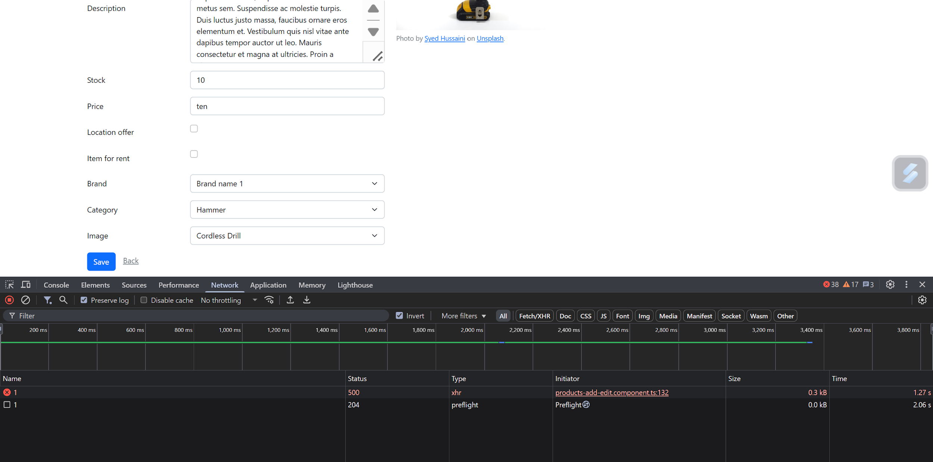
Bug ID | Summary | Steps to Reproduce | Actual Result | Expected Result | Screenshot | Priority | Severity | Affected Feature / Version
BUG_DOB_001 | DOB field accepts future date | 1. Open Edit Profile form 2. Enter future date in "Date of Birth" (e.g., 31/12/2100) 3. Submit the form | Form submitted successfully | Validation error: Date of Birth must not be in the future | 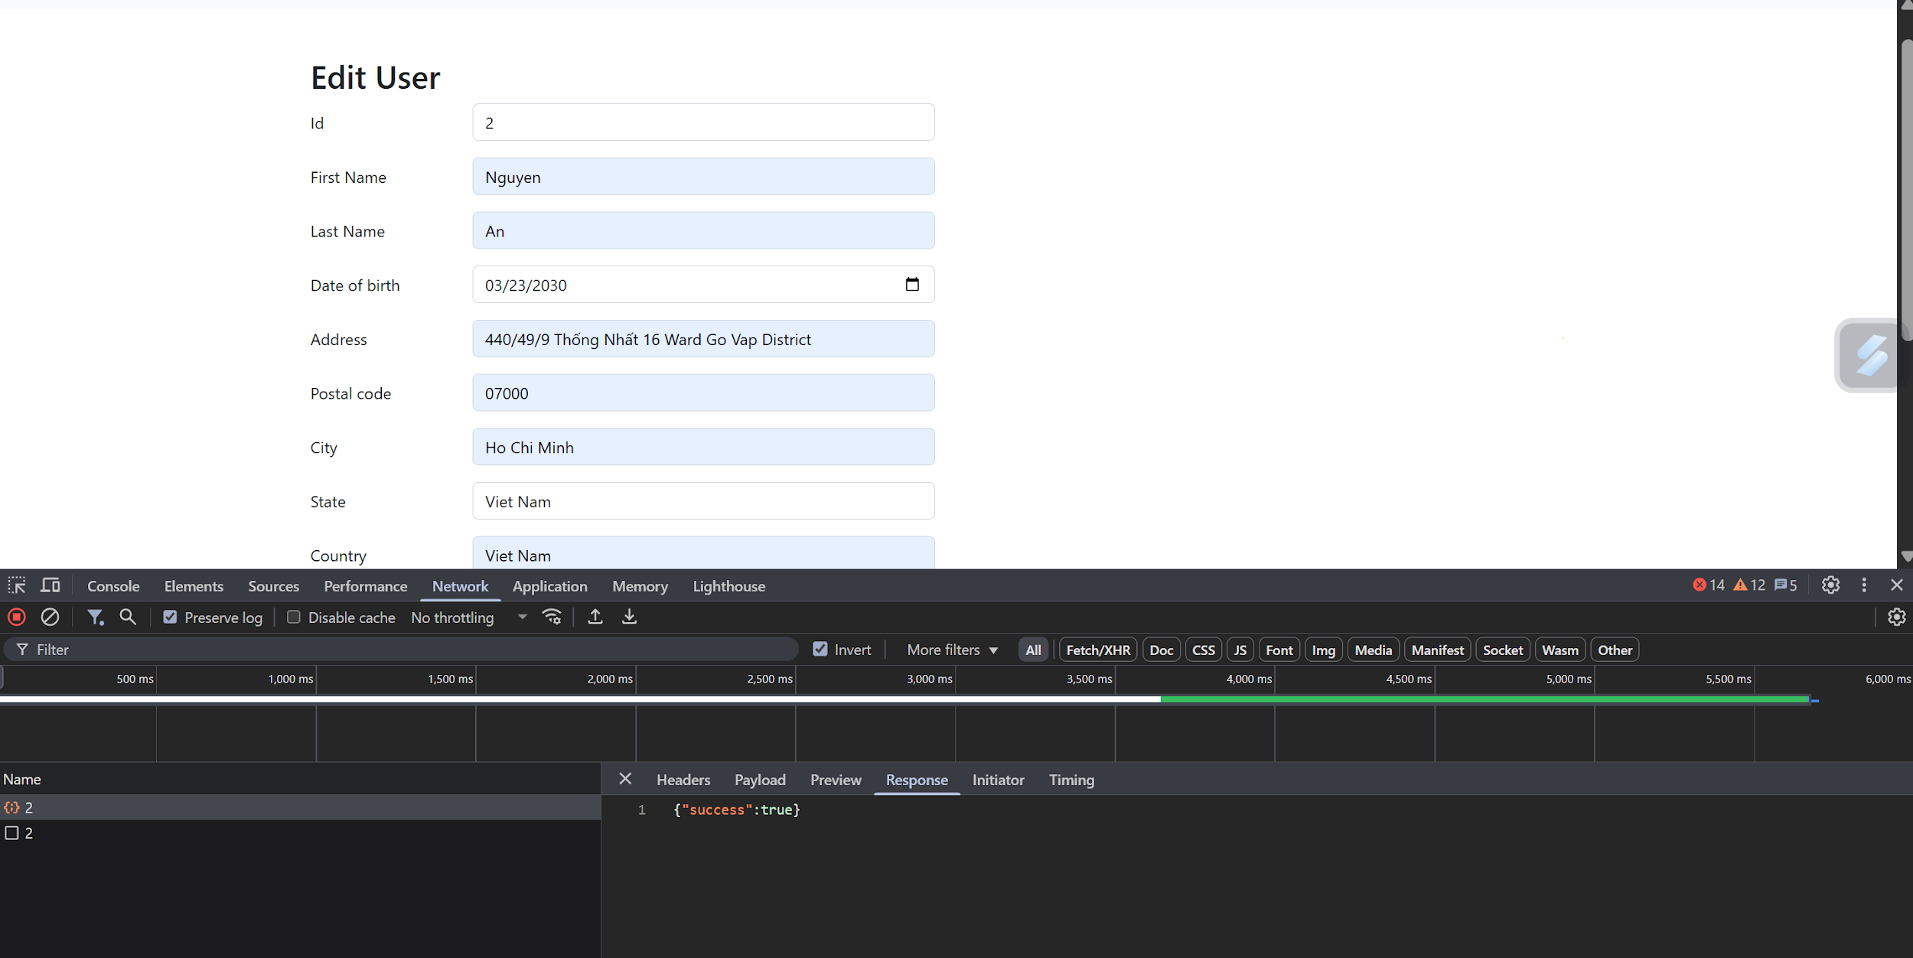 | High | Major | Edit User (Admin)
BUG_PHONE_001 | Phone field accepts letters | 1. Open Edit Profile form 2. Enter "abc123" in the Phone field 3. Submit the form | Form submitted successfully | 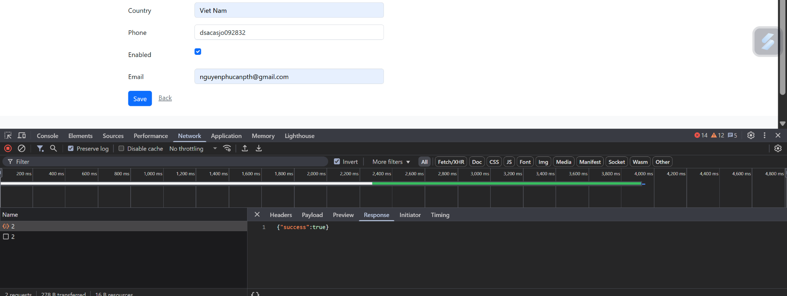 Validation error: Phone must contain digits only |  | High | Major | Edit User (Admin)
BUG_STOCK_001 | Stock field accepts negative number | 1. Open Edit Product form 2. Enter -1 in Stock field 3. Submit the form | Form submitted successfully | Validation error: Stock must be ≥ 0 | 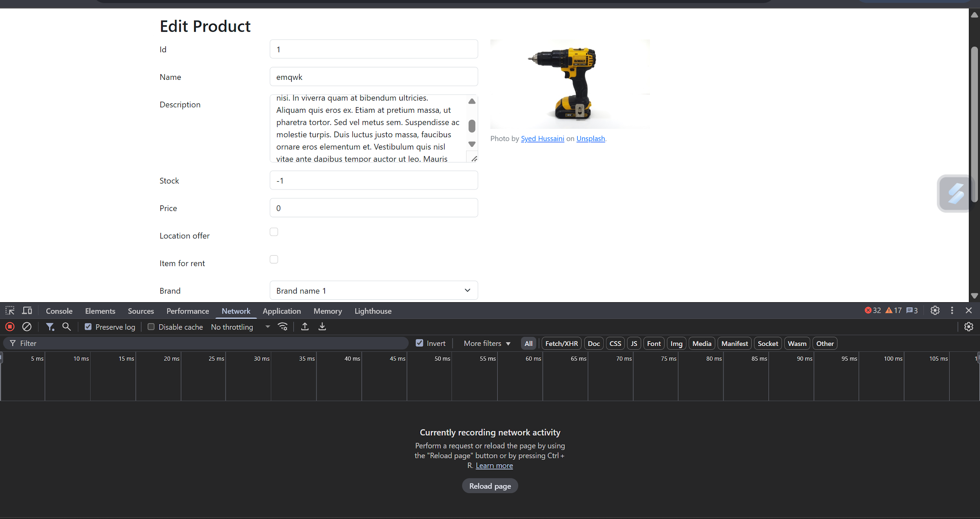 | High | Major | Edit Product (Admin)
BUG_STOCK_002 | Stock field accepts float value | 1. Open Edit Product form 2. Enter 3.5 in Stock field 3. Submit the form | Form submitted successfully | Validation error: Stock must be an integer | 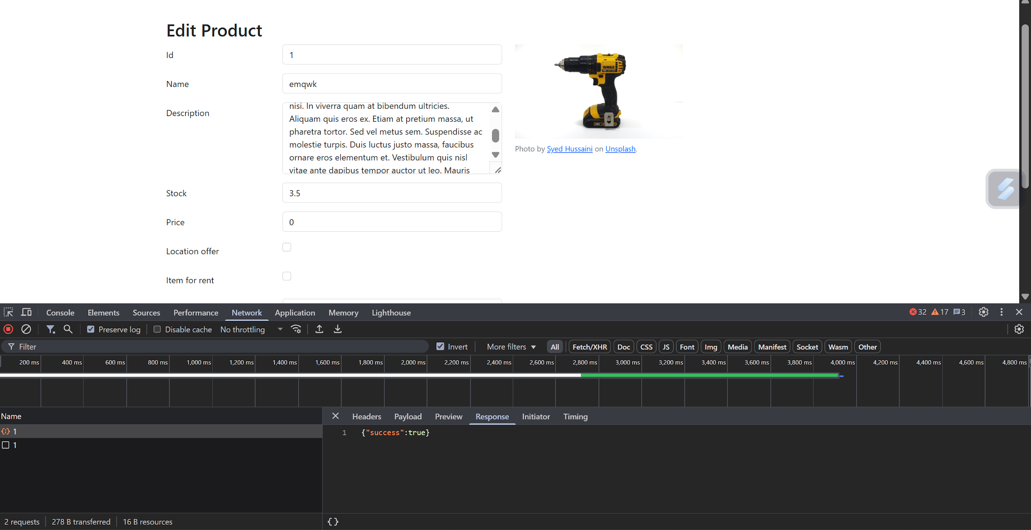 | High | Major | Edit Product (Admin)
BUG_PRICE_001 | Price field accepts negative number | 1. Open Edit Product form 2. Enter -99.99 in the Price field 3. Submit the form | Form submitted successfully | Validation error: Price must be a non-negative number | 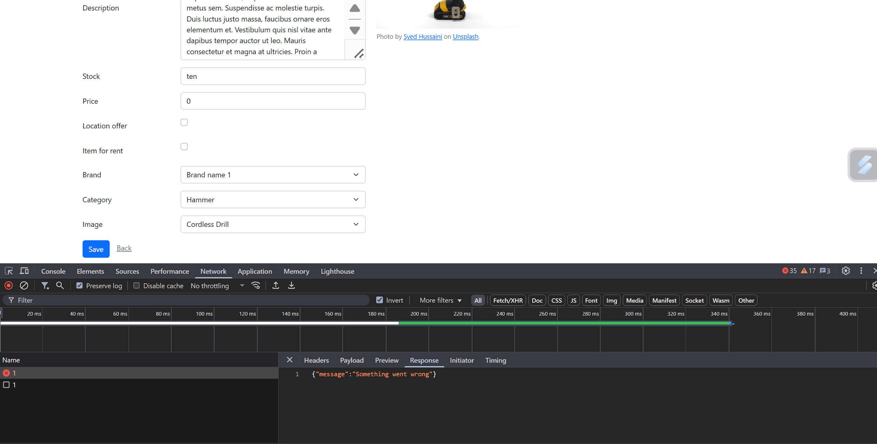 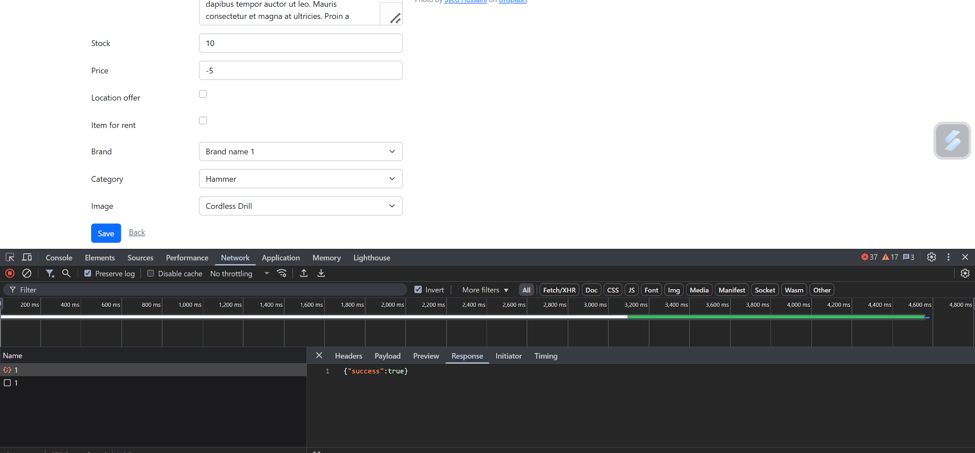 | High | Major | Edit Product (Admin)

